Reference
Product Description | Category | Sub Category | Style No. | Photo1 | Photo2
KD141 METAL WORK KNIT COLLECTI | Cardigan | Cardigan | KD141

KD011 COLOUR POP ZIP BACK JUMP | Cardigan | Jumper | KD011

KD072 CHAIN DETAIL PONCHO | Knitwear | Jumper | KD072

HD007 DRAWSTRING AND RUCHE SHI | Cardigan | Long Sleeve Shirt | HD007

DD005 SLEEK TUXEDO COLLECTION | Cardigan | Straight Dress | DD005
ESSENTIAL CARDIGAN | Cardigan | Cardigan | KE171 | 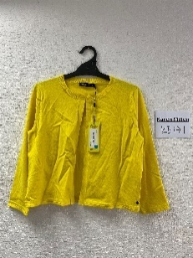 | 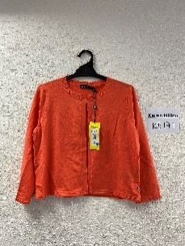

FE142 ESPDRLLE ANKL TIE WEDGE | Sandal | Wedged Sandal | FE142
FE143 ESPDRLLE ANKL STRP WEDGE | Sandal | Wedged Sandal | FE143
PE046 COLOURED JEAN | Jean | Skinny Jean | PE046
FE133 LASERCUT SHOE BOOT | Boot | Shoe Boot | FE133
KE120 DIAGONAL STRIPE RIB KNIT | Knitwear | Knitted Dress | KE120

TW445 RUFFLE JERSEY TOP | Cardigan | Long Sleeve Top | TW445

ZE032 FRINGE PENDANT | Jewellery | Necklace | ZE032
KW611 PRESS STUD DETAIL DRESS | Cardigan | Knitted Dress | KW611
DE029 GARDEN PARTY CHEMICAL LA | Cardigan | Straight Dress | DE029

DE033 SNAKE FLORAL CHEMICAL LA | Cardigan | Straight Dress | DE033

YE003 SANTA MARINA TRI TOP | Beachwear | Bikini | YE003

YE005 SANTA MARINE RVRSBLE OP | Beachwear | Swimming Costume | YE005

YE008 PALMA TRIANGLE TOP | Beachwear | Bikini | YE008

YE011 PALMA DRAPE OP | Beachwear | Swimming Costume | YE011

DE997 PALMA HIGH NECK DRESS | Beachwear | Take On Beachwear | DE997

DE030 IRIS CHEMICAL LACE DRESS | Cardigan | Full Skirted Dress | DE030

DE009 TRAILING ORIENTAL PRINT | Cardigan | Straight Dress | DE009

DE242 TRAILING ORIENTAL PRINT | Cardigan | Straight Dress | DE242

SW373 MODERN BOLD STRIPE SKIRT | Cardigan | Mini Skirt | SW373

KE130 TIE HEM KNITTED TEE | Knitwear | Jumper | KE130

DE035 EMBROIDERED PENCIL DRESS | Cardigan | Straight Dress | DE035

DW623 BRODERIE COLLECTION DRES | Cardigan | Fashion Dress | DW623

DE091 ELASTIC STRAP BOLD DRESS | Cardigan | Straight Dress | DE091

DE308 ONE SHOULDER PENCIL DRES | Cardigan | Maxi Dress | DE308

DE245 ORIENTAL FLORAL SCARF CO | Full Skirted Dress | Full Skirted Dress | DE245

FE115 SUEDE CONE HEEL SANDAL | Sandal | Cuff Sandal | FE115
FE101 COLOURFUL TOE THONG | Sandal | Flat Sandal | FE101
DE045 ANGULAR CONTOUR DRESS | Cardigan | Straight Dress | DE045

DE088 FIT AND FLARE RUFFLE DRE | Cardigan | Straight Dress | DE088

GE033 PU SNAKE CROSSBODY | KM by Karen Millen | KM Small Bag | GE033
KW604 SIGNATURE RIBBED CARDI | Cardigan | Cardigan | KW604

DE097 GARDEN PARTY CHEMICAL LA | Cardigan | Straight Dress | DE097

PE185 BLUE JEAN | Jean | Skinny Jean | PE185

PE114 MINT JEAN | Jean | Skinny Jean | PE114

JE002 SHARP SUMMER JACKET | Cardigan | Tailored Jacket | JE002

PE011 SHARP SUMMER SUIT | Standard Trouser | Standard Trouser | PE011

TW442 BILLOWY SLEEVE BLOUSE CO | Cardigan | Long Sleeve Top | TW442
DW624 FLUID MIDI DRESS | Cardigan | Full Skirted Dress | DW624

KW620 GRAPHIC OPEN STITCH COL | Cardigan | Jumper | KW620

KE134 COLOURPOP EYELET TEE | Knitwear | Knitted Dress | KE134

KE124 SLUB KNIT JUMPER | Knitwear | Jumper | KE124

SE046 SOFT UTILITY COLLECTION | Skirt | Full Skirt | SE046

KE128 TROPICAL PALM PRINT CARD | Knitwear | Cardigan | KE128

TE176 LACE SLEEVE TOP | Top | Sleeveless Top | TE176

PE120 DITSY LEOPARD LACE COLLE | Trouser | All In One | PE120

TE164 BRODERIE STRAP CAMI | Top | Sleeveless Top | TE164

OCCASION COVER UP | Cardigan | Cover Up | JW345

TW447 RELAXED JERSEY SHIRT | Cardigan | Long Sleeve Top | TW447

DW601 POLKA DOT PRINT COLLECTI | Dress | Straight Dress | DW601

TW441 BRODERIE OFF THE SHOULDE | Cardigan | Sleeveless Top | TW441

PE130 DIAMOND LACE COLLECTION | Cardigan | All In One | PE130
DW620 KNOT & DRAPE DRESS | Cardigan | Straight Dress | DW620

PE102 TAILORED CAPRI TROUSER | Trouser | Standard Trouser | PE102
JE036 WASHED CF ZIP BIKER JACK | Cardigan | Leather Jacket | JE036

PW375 WHITE DENIM JEAN | Cardigan | Cropped Jean | PW375

TW440 PLEAT SLEEVE BLOUSE | Cardigan | Short Sleeve Top | TW440

SW375 MODERN STRIPE SKIRT | Skirt | Mini Skirt | SW375

PW367 FLUID CULOTTE TAILORING | Trouser | Cropped Trouser | PW367

SE040 COTTON UTILITY COLLECTIO | Skirt | Mini Skirt | SE040

DE285 ESCAPING BOW DRESS | Cardigan | Straight Dress | DE285

SW376 PALM PRINT SKIRT | Skirt | Mini Skirt | SW376

TE221 BOTANICAL PRINT COLLECTI | Top | Sleeveless Top | TE221

TE230 ORIENTAL PALM PRINT COLL | Top | Short Sleeve Top | TE230

TE249 WRAP FORM JERSEY CAMI | T-Shirt | Sleeveless T-Shirt | TE249

TE262 STATEMENT OFF THE SHOULD | T-Shirt | Short Sleeve T-Shirt | TE262

DE043 STITCH DETAIL FULL SKIRT | Full Skirted Dress | Full Skirted Dress | DE043
DW625 MODERN ROMANTIC TAILORED | Cardigan | Straight Dress | DW625

DW632 GRAPHIC LACE INSERT DRES | Cardigan | Straight Dress | DW632

DW612 FLUID MIDI DRESS | Cardigan | Full Skirted Dress | DW612

SW377 SOFT OCCASION SKIRT | Skirt | Full Skirt | SW377

DW615 WRAP MINI DRESS | Cardigan | Mini Dress | DW615

DE341 BODY SKIMMING HALTER DRE | Dress | Maxi Dress | DE341

SW382 TAILORING COLLECTION SKI | Cardigan | Pencil Skirt | SW382

JW347 TAILORING COLLECTION JAC | Cardigan | Tailored Jacket | JW347
DW621 FLUID PRINT DRESS | Cardigan | Fashion Dress | DW621

GF001 EVENING GLITTER CLUTCH | Cardigan | Occasion Fabric Bag | GF001

GF100 BROMPTON CLUTCH | Occasion Bag | Occasion Leather Bag | GF100

DE162 TROPICAL PALM PRINT ON S | Dress | Straight Dress | DE162

GF003 CHEVRON TOTE | Day Bag | Large Leather Bag | GF003
GF004 CHEVRON SHOULDER BAG | Day Bag | Medium Leather Bag | GF004

GF069 REGENT SHOULDER BAG | Day Bag | Medium Leather Bag | GF069
GF016 METL BR DETAIL CROSSBODY | Day Bag | Small Leather Bag | GF016

PE184 COLOURED CULOTTE JEAN | Jean | Cropped Jean | PE184

DW614 NEON SCUBA DRESS | Cardigan | Mini Dress | DW614

DE281 BODY SKIMMING HALTER DRE | Cardigan | Full Skirted Dress | DE281
PE094 CHINCH WAIST COLLECTION | Trouser | Shorts | PE094 | 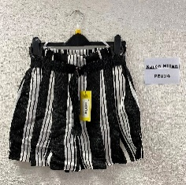

TE121 HAVANA EMBROIDERY COLLEC | Top | Sleeveless Top | TE121

GF022 SIMPLE LEATHER WORK BAG | Day Bag | Large Leather Bag | GF022
GF324 QUILTED PU FLAPOVR PURSE | Purse | Flapover Purse | GF324

DE250 FLUID BELLA CINCH WAIST | Dress | Full Skirted Dress | DE250

DE301 MIXED ANIMAL PRINT JERSE | Dress | Straight Dress | DE301

DW629 SATIN DRAPE DRESS | Cardigan | Mini Dress | DW629

DW627 SATIN DRAPE DRESS | Dress | Mini Dress | DW627
DE146 EYELET TEXTURE COTTON SU | Cardigan | Full Skirted Dress | DE146

SW380 LTD EDITION LEATHER SKIR | Skirt | Leather Skirt | SW380

JW350SUMMER LEATHER BIKER JACK | Cardigan | Leather Jacket | JW350

DE362 SCHIFFL GROUP | Cardigan | Maxi Dress | DE362
...
Product Description | Category | Sub Category | Style No. | Photo1 | Photo2
DE348 FLUID AND PLEATED HALTER | Cardigan | Maxi Dress | DE348

KF027 POINTELLE STRIPE KNIT DR | Cardigan | Knitted Dress | KF027

KF010 POPPER FRONT RIB KNIT JU | Jumper | (blank) | KF010 | 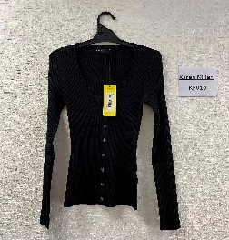

PW389 COLOURFUL CROPPED TROUSE | Trouser | Cropped Trouser | PW389
...
Product Description | Category | Sub Category | Style No. | Photo1 | Photo2
PW380 COLOURFUL CROPPED TROUSE | Trouser | Cropped Trouser | PW380

KF026 BELTED ESSENTIAL KNIT DR | Cardigan | Knitted Dress | KF026 | 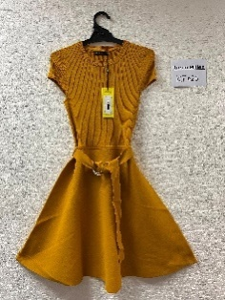

DF076 SEQUIN LACE DRESS | Cardigan | Full Skirted Dress | DF076
KF004 LACING DETAIL RIB KNIT D | Cardigan | Knitted Dress | KF004

KF025 BOXY CROP LACING JUMPER | Cardigan | Jumper | KF025 | 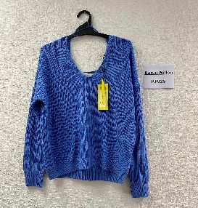 | 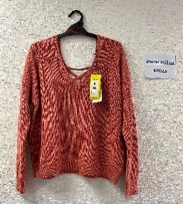

KF079 PLATED RIB JUMPER | Cardigan | Jumper | KF079
...

